CoverPage


NorthStar Retail Sales and Profitability | Data Quality Analysis

Prepared by:
Farhan Hasanali | Data Analyst Portfolio | PowerQuery + PowerBI |2026

Tools:
PowerQuery | PowerBI | Dashboard Design | Data Analysis

Objective:
Analyze declining profitability. Understand whether discounts, returns, rising product costs, or changes in the product mix are responsible.

Data_Quality_Log
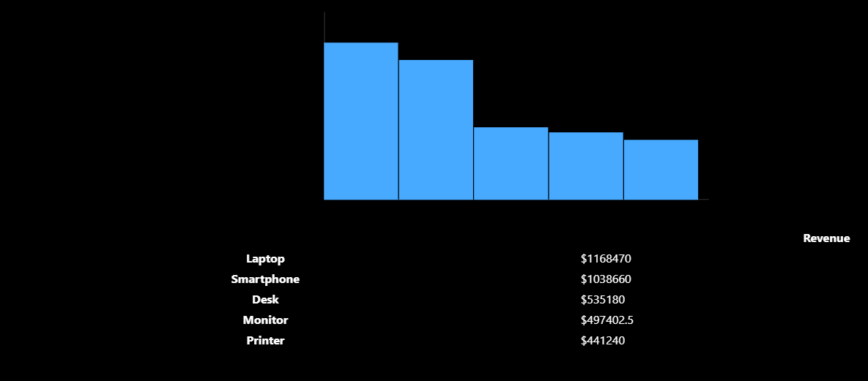
Order_ID | OrderID | Issue | Business Impact | Recommendation
Finding #1-Missing Region | OrderID: 1021 | Issue: Missing Region: Investigation: Reviewed available transaction attributes. No reliable field exists to identify the transaction's sales region. | Business Impact: Regional sales and profitability analysis may be incomplete. | Preserve the original missing value, flag the record, and request the correct Region from the source-system owner. Copy finding
Finding #2-OrderID 1013 | OrderID: 1013 | Identical duplicate records | Regional Sales and profitability may not be correct | Delete Data
Finding #3-Missing OrderDate | OrderID: 1022 | Issue: Missing OrderDate: Investigation: Reviewed available transaction attributes. No reliable field exists to identify the transaction's actual Order Date | -Monthly revenue: We cannot assign the transaction to a specific month. -Quarterly profit: We cannot confidently include the transaction in Q1 or Q2. -Sales trends: The transaction may be excluded from time-based charts. -Year-over-year comparisons: Revenue and profit growth calculations could be inaccurate. | Our recommendation is to preserve the record, flag its missing date, and request clarification from the source-system owner.
Finding #4-Invalid Discount Rate | OrderID: 1024 | DiscountPct contains 120%, exceeding the normal retail discount range. | Could produce negative net revenue and distort revenue, profit, and profit-margin calculations | Preserve the original value, flag the transaction, and confirm the correct discount or adjustment with Finance.

